Script
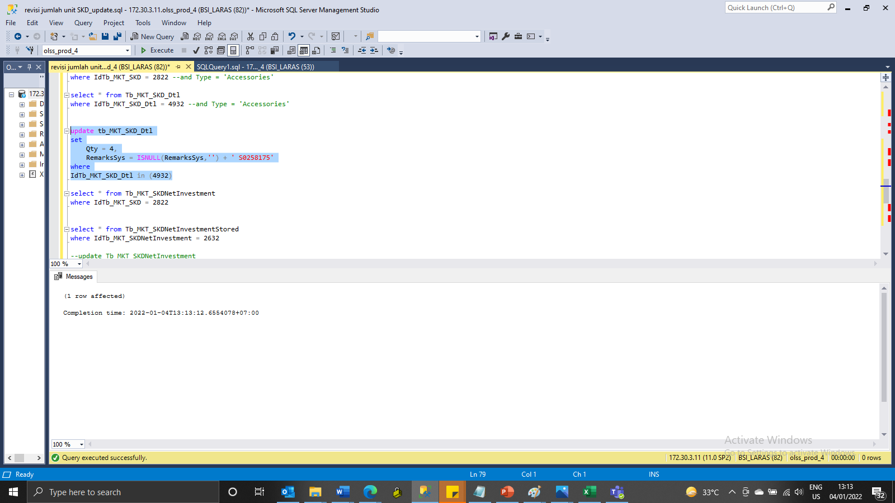
update tb_MKT_SKD_Dtl
set
Qty = 4,
RemarksSys = ISNULL(RemarksSys,'') + ' S0258175'
where
IdTb_MKT_SKD_Dtl in (4932)

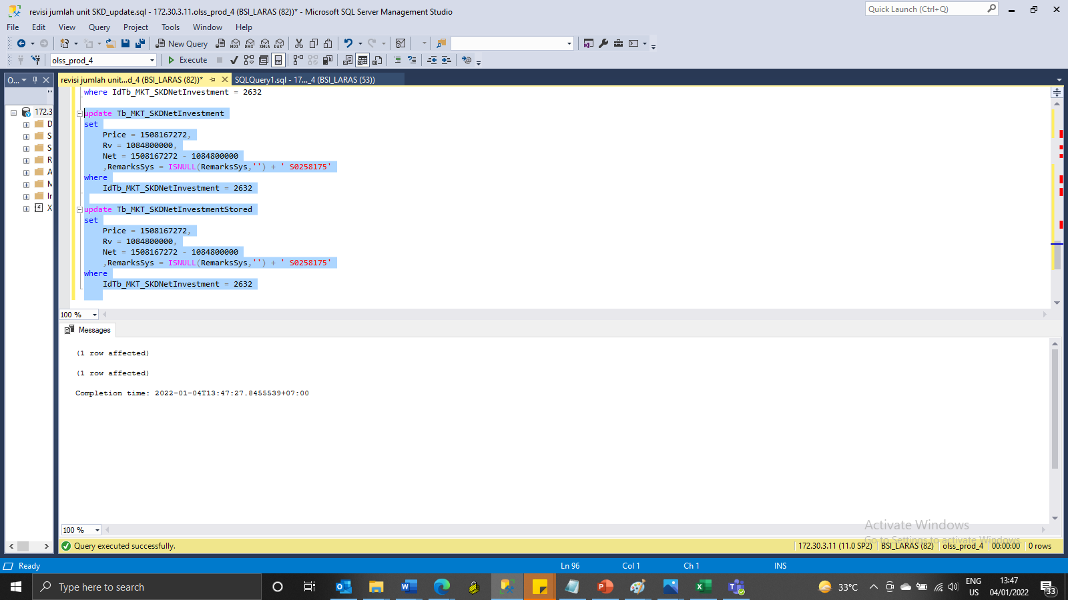
update Tb_MKT_SKDNetInvestment
set
Price = 1508167272,
Rv = 1084800000,
Net = 1508167272 - 1084800000
 | ,RemarksSys = ISNULL(RemarksSys,'') + ' S0258175'
where
IdTb_MKT_SKDNetInvestment = 2632

update Tb_MKT_SKDNetInvestmentStored
set
Price = 1508167272,
Rv = 1084800000,
Net = 1508167272 - 1084800000
 | ,RemarksSys = ISNULL(RemarksSys,'') + ' S0258175'
where
IdTb_MKT_SKDNetInvestment = 2632

Screenshot
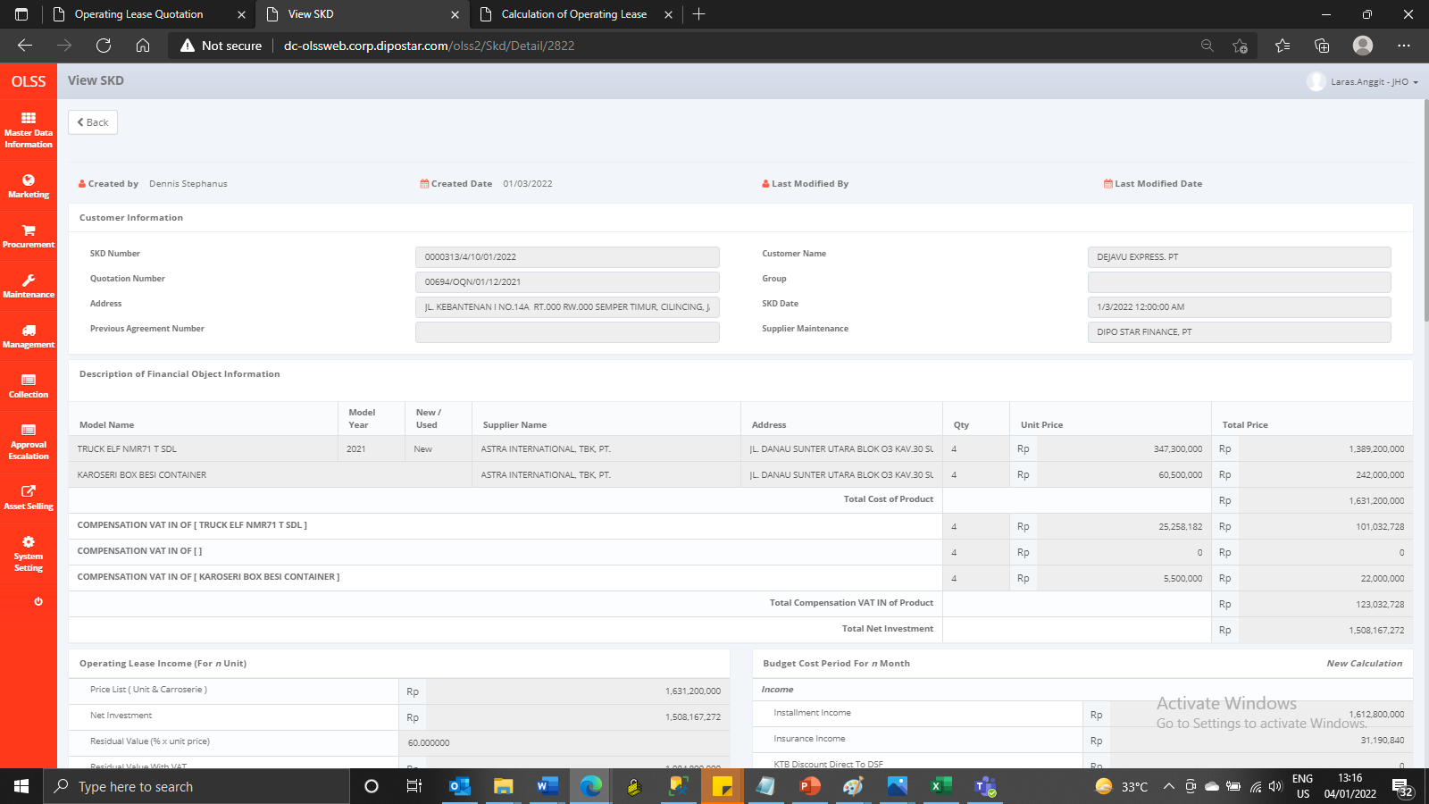
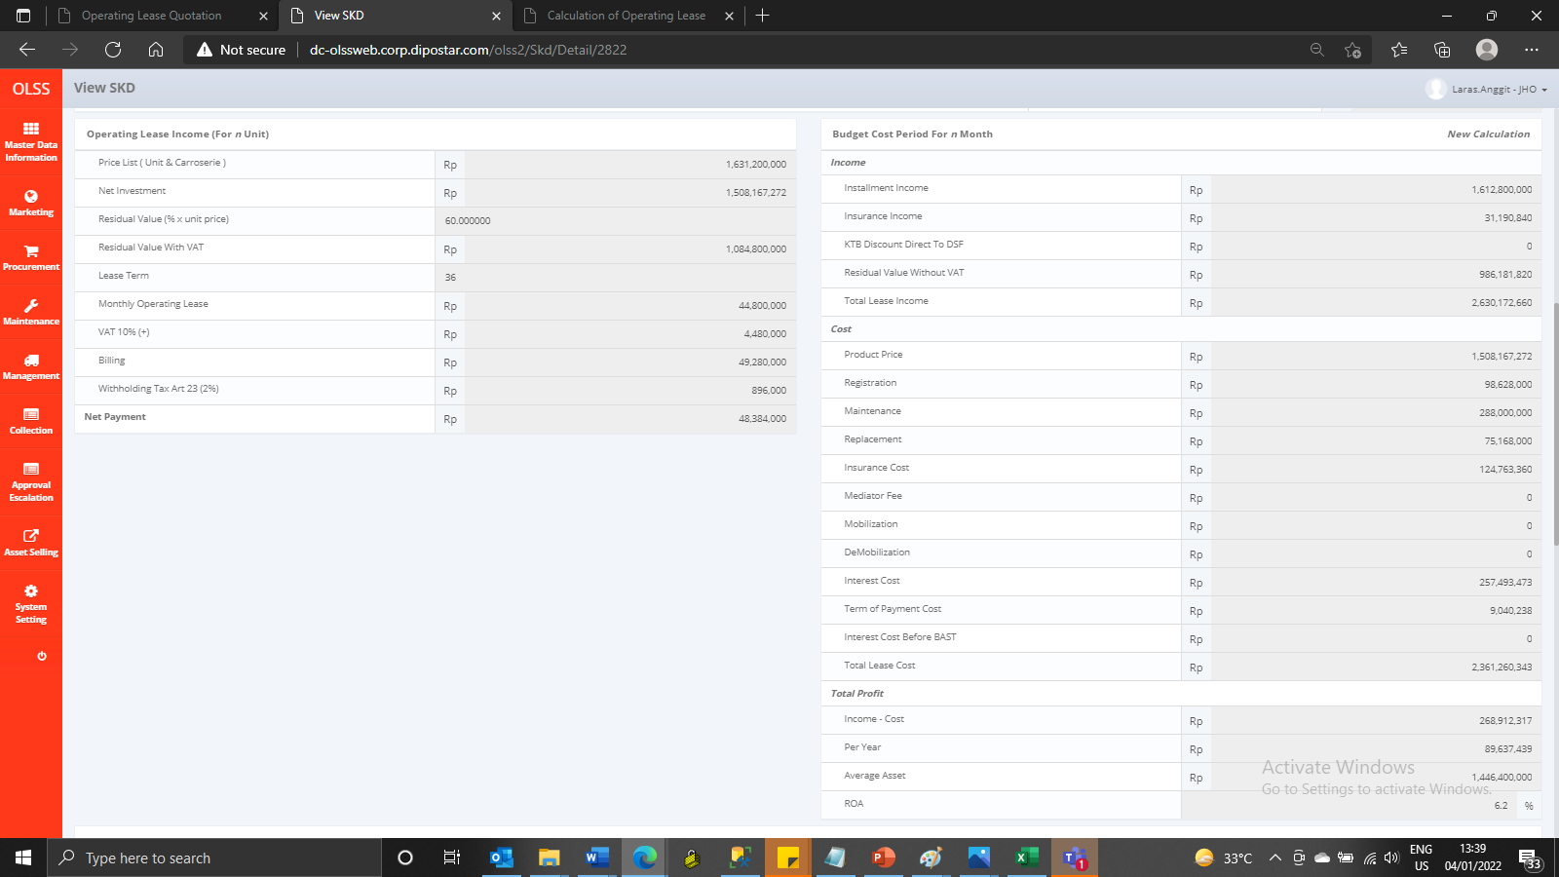
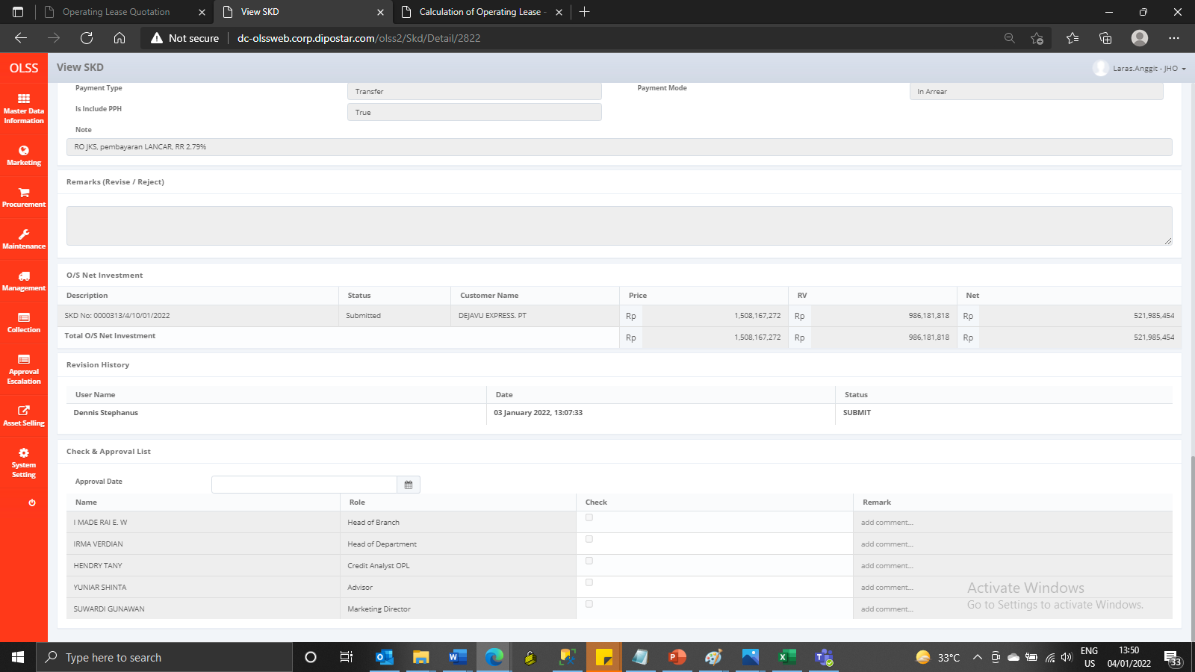
BEFORE
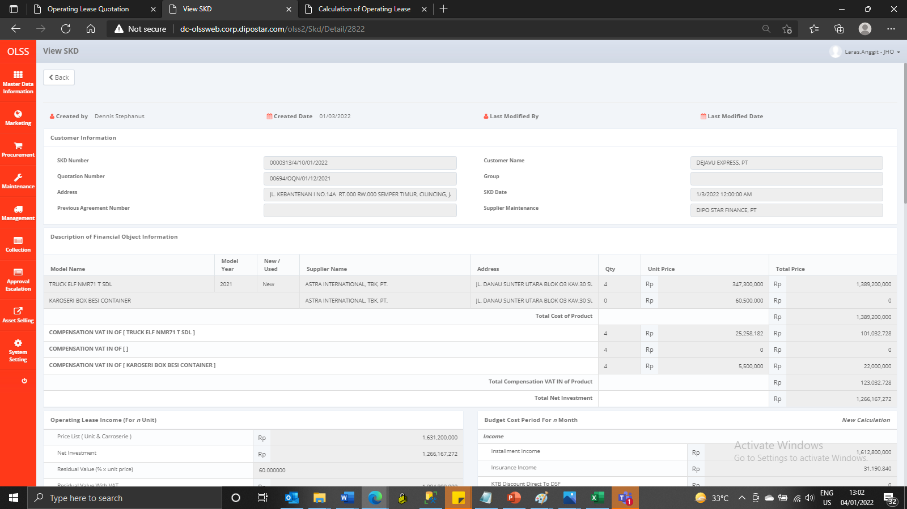

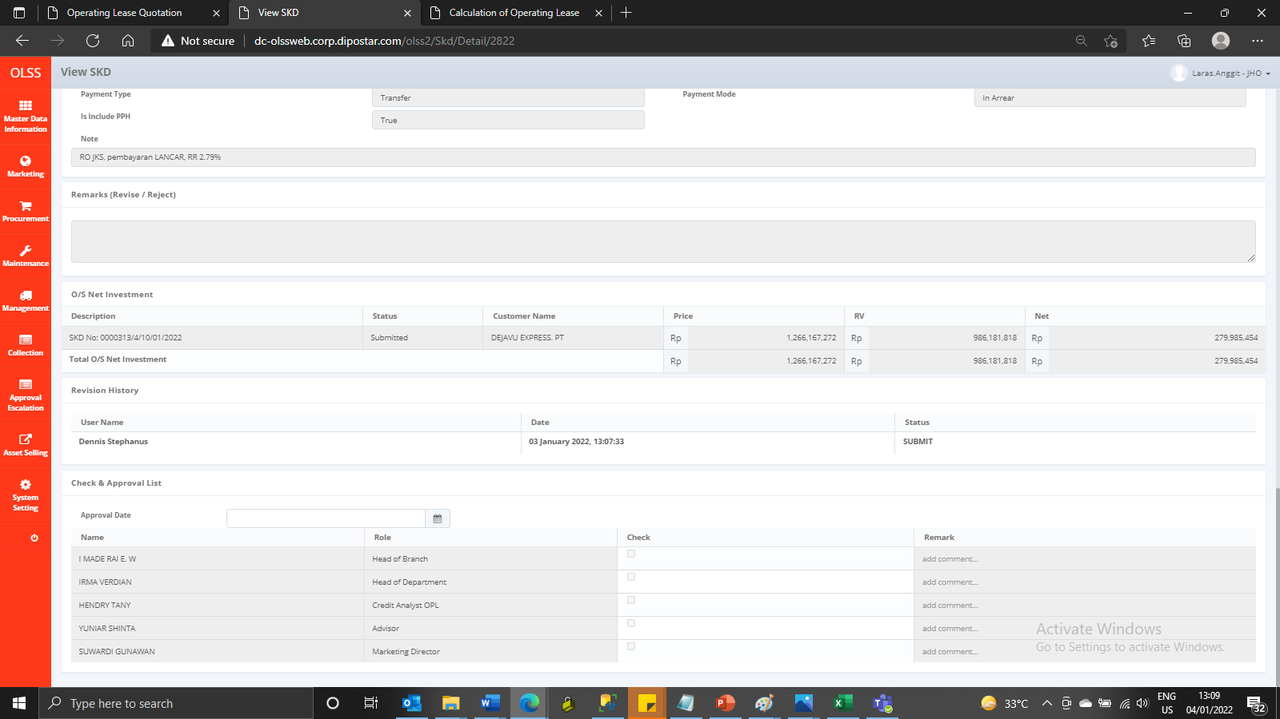

AFTER

